Sheet1
Finite | State | Machine

S | Set of States eg ( Idle, Patrol, Search, Chase, Attack)
T | Set of Transitions eg. (Nothing, See Enemy, Hear Enemy, Was Attacked, Within Melee Range
f: SxT -> S | f: Transition Function Takes a state and a transition and produces another state.
S0 | Starting State
E | Ending State

Sensing

Thinking
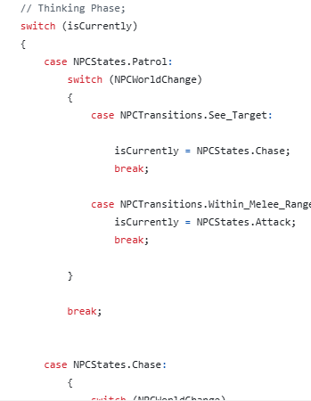

Action

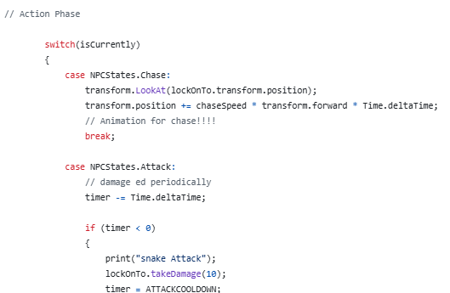

 | Hierarchial FSM |  | A finite State machine inside the state (behaviour) of another finite state machine.

 | Markov Models |  | A finite State Machine which uses randomness to decide moves…

 | A Search problem in AI is a problem which may be modelled by a Tree or a Graph
 | The Solution is ususally found by searching or applying an algorithm to the Tree/Graph

 | In turn based games, lets assume that the the game is at a given stage….

 | Utility Function is a function that applies a number to a leaf (an End Game) of the tree.
 | Usually | 1 | Win
 |  | -1 | Lose
 |  | 0 | Draw
 | Use the Min/Max Algorithm to filter these values back to the root, which allows us to choose the best move.

6
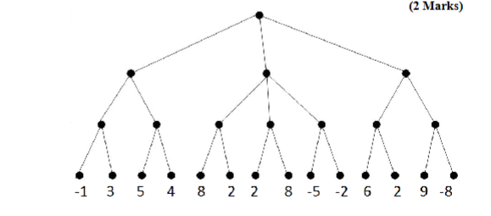

3
6
 |  |  |  | Max
-2

8
-2
6
 |  |  |  | Min
3
5
8
9

 |  |  |  | Max

 | Performance:::
 | Chess | 20 First Moves
 |  | Branch factor
 |  | Leads to Trees which are too big to produce/store or process…

 | Improve Performance:
 |  | Alpha/Beta Pruning - Cut off big loss branches…
 |  | Symmetry

 | Evaluation Function….......
 |  | Assigns a number describing the state of the game at a given ply depth

 | Min Max used as before with these numbers

